Sheet1
Case ID# | Test scenarios for : | Precondition | Org/Mkey | Step | Test Case Description | Expected Results | Actual Results | Outcome Pass/Fail | Retest Outcome Pass/Fail | Release # | Retest Release # | Test Type | Date Tested | Retest Date | Tested By | Retested By | Test Link | JIRA Ticket # | Comments
E21.06 | E21.06 - Check a member's account balance as of a day in the past | Any Active or deferred PEPP Member | 2019180 | 1 | In PENFAX5 do a member Search Click on any stakeholder ID Filter Plan to PEPP Filter Member Status to Active | This will open the stakeholder up in a new tab | Found | Pass |  | 24.4 |  | Functional | 21-Oct-20 |  | Jason Collings
 |  |  |  | 2 | Click on Investments under the Navigation panel | This will the Investments screen | Navigated to Investments | Pass |  | 24.4 |  | Functional | 21-Oct-20 |  | Jason Collings
 |  |  |  | 3 | Under account summary change the Valuation date to a date in the past. Click the refresh button | This will show the balances in the funds as of the date selected | Selected different date and clicked refresh. It showed the members balance of the date selected. | Pass |  | 24.4 |  | Functional | 21-Oct-20 |  | Jason Collings

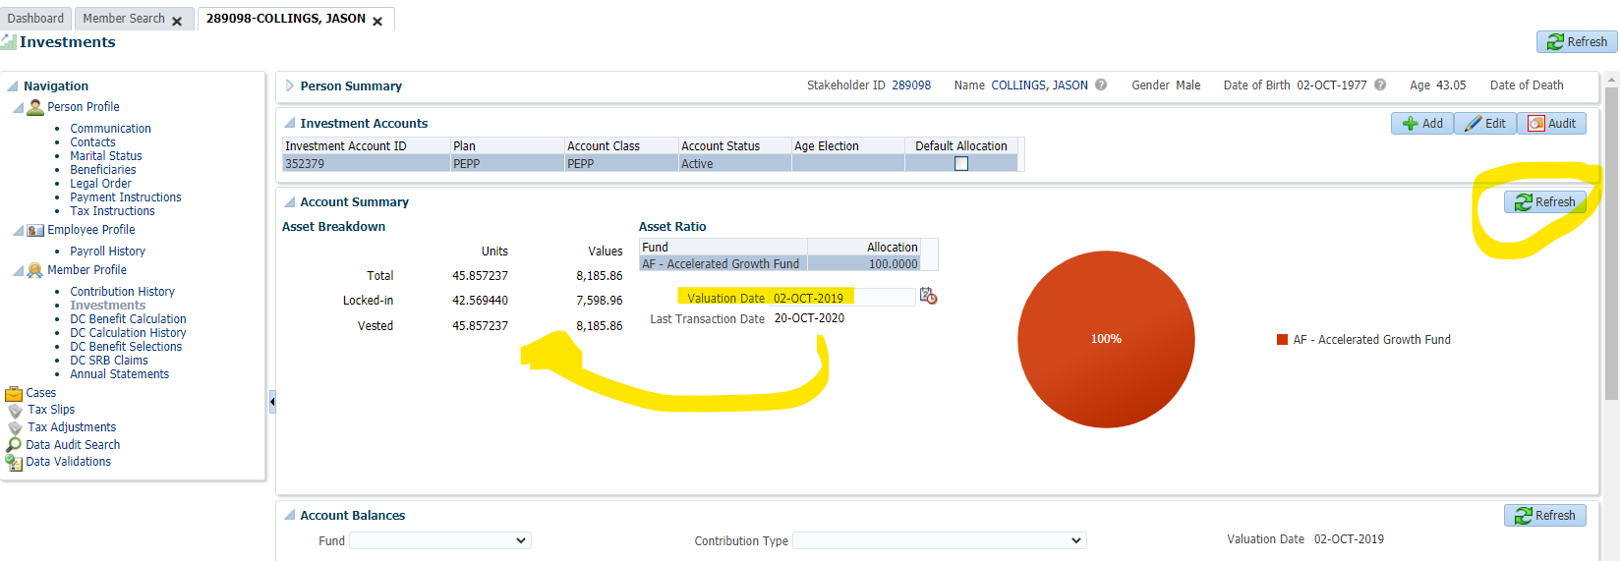
Step 1-3

